Description
Registered General Dose Viewer Scenario
Instructions for use test scenarios

Description:
This test scenario provides the registered general dose viewer actor with RAD 4.8, MMRO-4, RO-DC1 and MMRO-II-2
- Checks the correct storage of Single/contoured CT series dataset (DICOM assoc. & interaction level)
- Checks the correct storage of the Structure set (DICOM association & interaction level)
- Checks the correct storage of the Dose (DICOM association & interaction level)
- Checks the correct storage of the Spatial Registrations (DICOM association & interaction level)
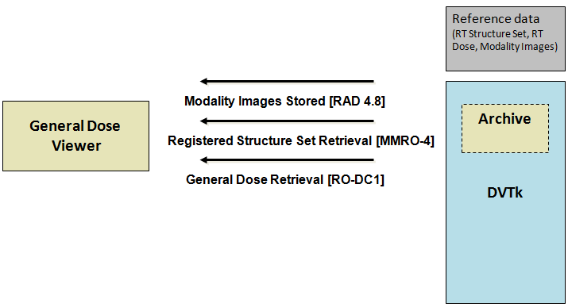

When this scenario starts the following dialog will show up.

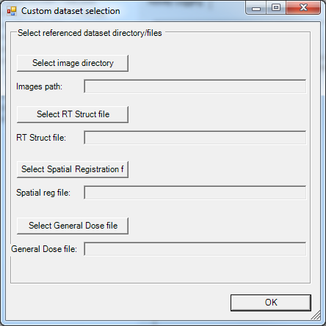

Select the directory where the images are located and for the other IOD's a file needs to be selected.

Transactions sent to actor:
MMRO-4 (Registered Structure Set Retrieval)
RAD-4.8 (Modality Images Stored)
MMRO-2 (Spatial Registration Retrieval)
RO-DC1 (General Dose Retrieval)

Expected transactions from actor:
n.a.

Used scenario dataset:
This scenario uses the selected test dataset.

